BasicDemographicCharts
Basic Demographic Comparison Charts
Date: December 28, 2020

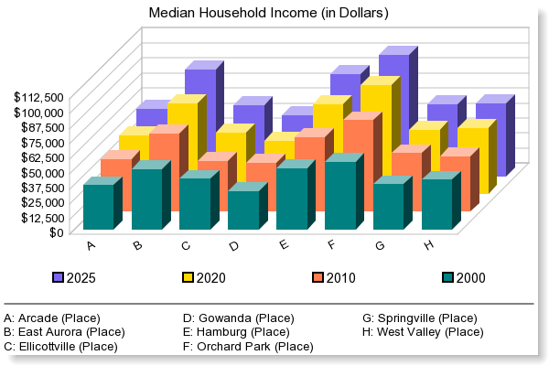

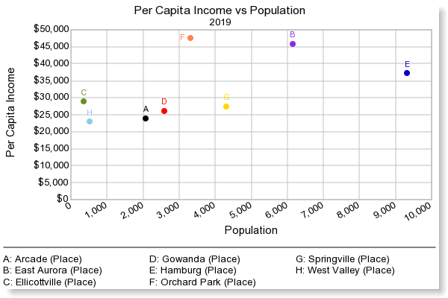

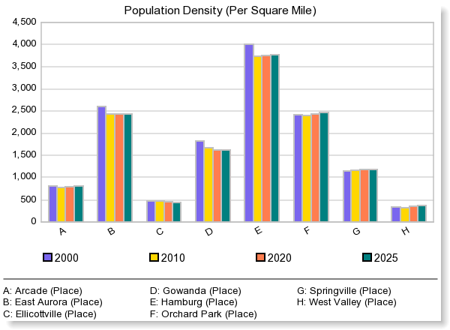

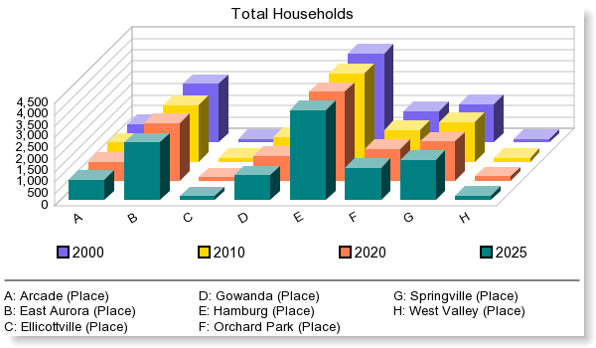

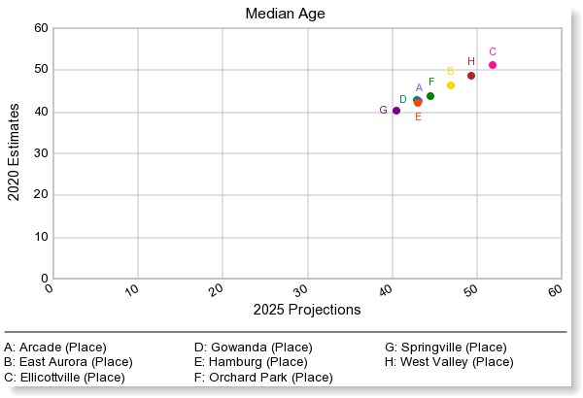

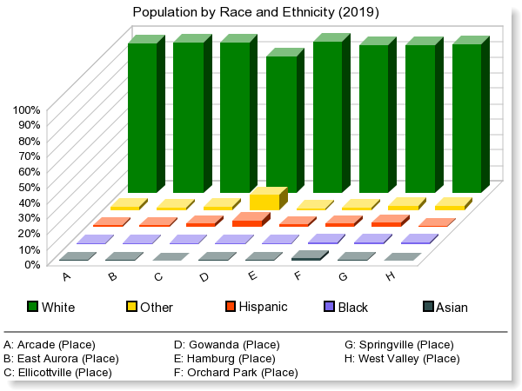

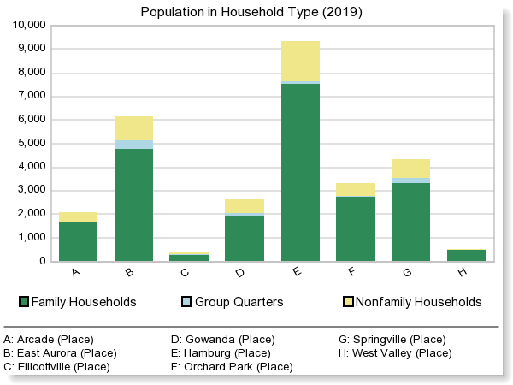

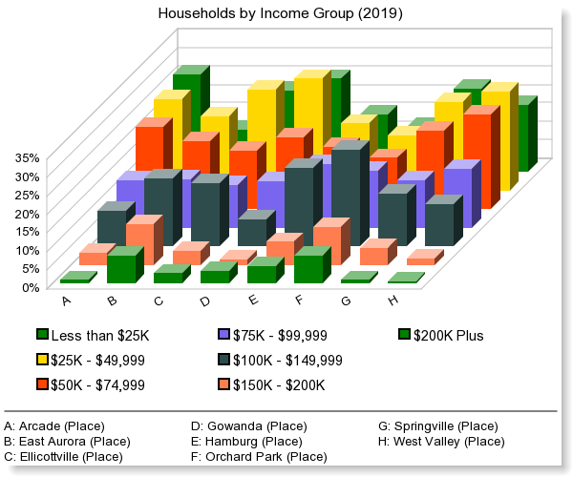

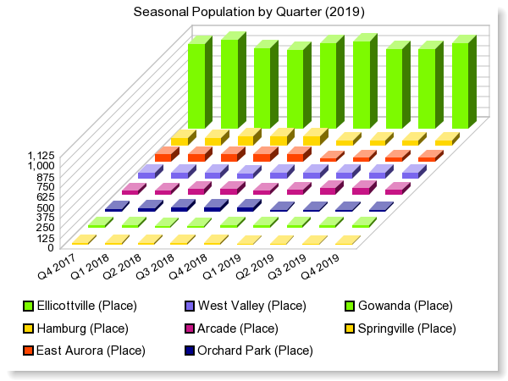

© 2017 Easy Analytic Software, Inc. (EASI®) All Rights Reserved, Alteryx, Inc. © 2020 Alteryx, Inc. All Rights Reserved © 2020 Experian Information Solutions, Inc. • All rights reserved © 2020 Experian Marketing Solutions, Inc. • All rights reserved

DemographicSnapshotCharts
Demographic Snapshot Charts Comparison Report
Date: December 28, 2020
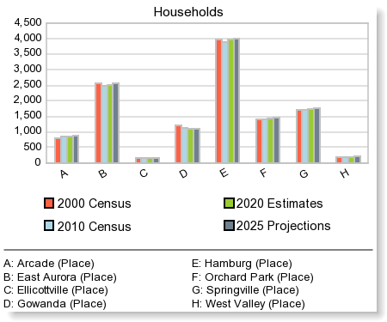
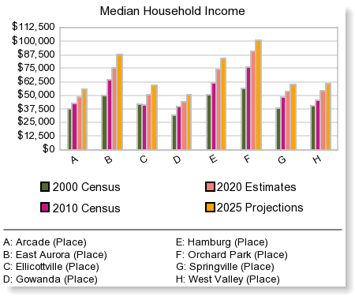
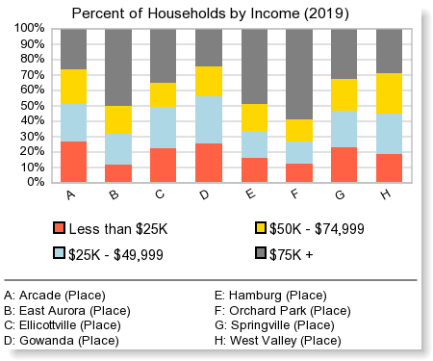
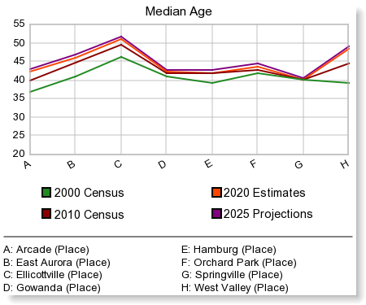
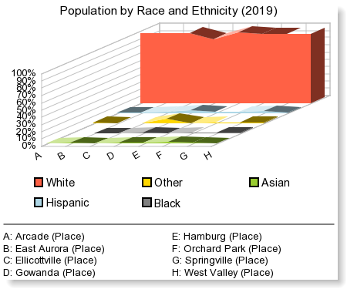
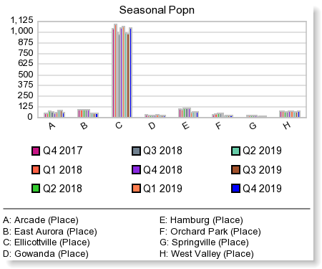
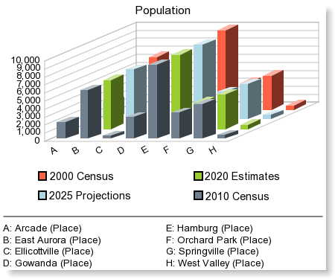

© 2017 Easy Analytic Software, Inc. (EASI®) All Rights Reserved, Alteryx, Inc. © 2020 Experian Information Solutions, Inc. • All rights reserved © 2020 Experian Marketing Solutions, Inc. • All rights reserved

IncomeComparisonReport
Income Comparison Report
Date: December 28, 2020

 | Arcade (Place) | East Aurora (Place) | Ellicottville (Place) | Gowanda (Place) | Hamburg (Place) | Orchard Park (Place) | Springville (Place) | West Valley (Place)

Total Households | 860 | 2,526 | 157 | 1,104 | 3,954 | 1,420 | 1,749 | 199

2020 Household Income:
$ 0 - $9,999 | 7.4% | 2.0% | 5.1% | 8.1% | 2.9% | 2.2% | 4.3% | 5.7%
$ 10,000 - $19,999 | 13.0% | 5.3% | 13.2% | 11.0% | 10.4% | 6.6% | 12.7% | 8.9%
$ 20,000 - $29,999 | 12.2% | 7.7% | 8.9% | 12.2% | 5.7% | 5.8% | 9.8% | 8.9%
$ 30,000 - $39,999 | 10.1% | 6.9% | 13.1% | 13.0% | 8.0% | 5.3% | 11.9% | 10.6%
$ 40,000 - $49,999 | 8.5% | 9.6% | 8.7% | 11.2% | 6.6% | 7.0% | 7.5% | 10.9%
$ 50,000 - $59,999 | 9.3% | 6.5% | 8.9% | 7.9% | 6.8% | 5.4% | 11.3% | 12.0%
$ 60,000 - $74,999 | 12.8% | 11.8% | 6.8% | 11.6% | 10.2% | 8.5% | 9.8% | 13.7%
$ 75,000 - $99,999 | 12.9% | 13.1% | 11.5% | 12.7% | 17.1% | 15.3% | 12.8% | 16.0%
$100,000 - $124,999 | 7.8% | 11.3% | 11.8% | 4.5% | 12.4% | 17.3% | 8.0% | 6.3%
$125,000 - $149,999 | 1.8% | 7.1% | 5.3% | 2.9% | 8.7% | 8.7% | 6.4% | 4.9%
$150,000 + | 4.3% | 18.7% | 6.6% | 4.9% | 11.1% | 17.9% | 5.5% | 2.1%

Average Household Income | $57,445 | $109,451 | $67,993 | $59,873 | $87,138 | $111,118 | $65,882 | $60,796
Median Household Income | $48,373 | $75,220 | $50,948 | $44,275 | $74,101 | $90,458 | $53,292 | $54,243
Per Capita Income | $23,805 | $45,712 | $28,777 | $25,873 | $37,118 | $47,451 | $27,288 | $22,726

Poverty: Status of Families by Family Type/Presence of Children 18 Yrs and Under
Total Families (Family Households) | 544 | 1,621 | 83 | 620 | 2,479 | 919 | 1,058 | 138
Husband-Wife Family, Own Children, Below Poverty | 10 | 1 | 0 | 7 | 17 | 5 | 7 | 3
Husband-Wife Family, No Own Children, Below Poverty | 11 | 20 | 0 | 4 | 21 | 0 | 32 | 3
Male Householder, Own Children, Below Poverty | 7 | 5 | 0 | 10 | 0 | 5 | 9 | 1
Male Householder, No Own Children, Below Poverty | 0 | 2 | 0 | 0 | 0 | 0 | 0 | 0
Female Householder, Own Children, Below Poverty | 24 | 16 | 2 | 25 | 39 | 5 | 55 | 2
Female Householder, No Own Children, Below Poverty | 1 | 2 | 0 | 10 | 3 | 0 | 1 | 0
Husband-Wife Family, Own Children, At/Above Poverty | 124 | 529 | 17 | 127 | 728 | 265 | 256 | 31
Husband-Wife Family, No Own Children, At/Above Poverty | 252 | 760 | 49 | 271 | 1,156 | 471 | 435 | 72
Male Householder, Own Children, At/Above Poverty | 19 | 26 | 3 | 25 | 69 | 16 | 46 | 5
Male Householder, No Own Children, At/Above Poverty | 11 | 35 | 1 | 15 | 66 | 22 | 44 | 5
Female Householder, Own Children, At/Above Poverty | 50 | 128 | 3 | 71 | 182 | 79 | 102 | 5
Female Householder, No Own Children, At/Above Poverty | 34 | 98 | 6 | 55 | 197 | 49 | 71 | 8

Poverty: Popn, Ratio of Income to Poverty Level
Total Population for whom poverty status is determined | 2,079 | 6,144 | 373 | 2,604 | 9,321 | 3,330 | 4,324 | 531 | 24,382
Less Than .50 | 150 | 150 | 9 | 129 | 122 | 85 | 141 | 32 | 677
.50 - .99 | 184 | 97 | 30 | 278 | 360 | 53 | 299 | 36 | 1,038
1.00 - 1.24 | 126 | 125 | 11 | 88 | 204 | 130 | 173 | 41
1.25 - 1.49 | 102 | 86 | 22 | 128 | 238 | 51 | 267 | 30
1.50 - 1.84 | 111 | 182 | 23 | 252 | 392 | 54 | 162 | 42
1.85 - 1.99 | 77 | 53 | 7 | 45 | 152 | 43 | 190 | 19
2.00+ | 1,327 | 5,452 | 271 | 1,684 | 7,853 | 2,913 | 3,092 | 332

Poverty: Popn by Race
By Race
White, Below Poverty Level | 322 | 222 | 38 | 356 | 466 | 85 | 370 | 64
White, Above Poverty Level | 1,692 | 5,753 | 325 | 1,951 | 8,654 | 3,099 | 3,757 | 447
Black, Below Poverty Level | 1 | 5 | 0 | 0 | 3 | 7 | 5 | 0
Black, Above Poverty Level | 6 | 24 | 2 | 18 | 36 | 25 | 45 | 5
AI/Alaskan Native, Below Poverty Level | 0 | 0 | 0 | 35 | 0 | 4 | 6 | 2
AI/Alaskan Native, Above Poverty Level | 7 | 7 | 1 | 122 | 15 | 7 | 40 | 2
Asian, Below Poverty Level | 0 | 5 | 0 | 0 | 9 | 8 | 14 | 0
Asian, Above Poverty Level | 10 | 40 | 1 | 16 | 46 | 48 | 19 | 1
NH/PI, Below Poverty Level | 0 | 0 | 0 | 0 | 0 | 0 | 0 | 0
NH/PI, Above Poverty Level | 0 | 4 | 1 | 0 | 0 | 1 | 1 | 0
Some Other Race, Below Poverty Level | 3 | 0 | 0 | 2 | 0 | 0 | 2 | 0
Some Other Race, Above Poverty Level | 1 | 12 | 0 | 9 | 19 | 7 | 11 | 0
2+ Races, Below Poverty Level | 8 | 14 | 0 | 14 | 5 | 34 | 43 | 1
2+ Races, Above Poverty Level | 28 | 59 | 5 | 81 | 68 | 5 | 11 | 7

Poverty: Popn by Ethnicity
Hispanic/Latino
Hispanic/Latino, Below Poverty Level | 16 | 2 | 0 | 13 | 1 | 1 | 36 | 4
Hispanic/Latino, Above Poverty Level | 11 | 76 | 8 | 94 | 157 | 70 | 89 | 0
Non-Hispanic/Latino, Below Poverty Level | 318 | 244 | 39 | 394 | 481 | 137 | 404 | 64
Non-Hispanic/Latino, Above Poverty Level | 1,733 | 5,822 | 326 | 2,103 | 8,682 | 3,121 | 3,795 | 463
Non-Hispanic/Latino by Race
White, Below Poverty Level | 317 | 220 | 38 | 347 | 465 | 85 | 340 | 62
White, Above Poverty Level | 1,683 | 5,693 | 318 | 1,892 | 8,535 | 3,038 | 3,704 | 447
Other than White, Below Poverty Level | 17 | 26 | 0 | 60 | 17 | 53 | 100 | 6
Other than White, Above Poverty Level | 62 | 205 | 16 | 305 | 304 | 154 | 180 | 16

 | Arcade (Place) | East Aurora (Place) | Ellicottville (Place) | Gowanda (Place) | Hamburg (Place) | Orchard Park (Place) | Springville (Place) | West Valley (Place)

2025 Household Income:

Total Households | 895 | 2,561 | 154 | 1,108 | 4,011 | 1,450 | 1,781 | 214 | 10,393

2025 Household Income:
$ 0 - $9,999 | 5.7% | 1.5% | 3.9% | 6.2% | 2.1% | 1.6% | 3.3% | 4.3%
$ 10,000 - $19,999 | 11.8% | 4.4% | 11.1% | 10.2% | 8.6% | 5.4% | 11.1% | 7.8%
$ 20,000 - $29,999 | 11.1% | 6.4% | 8.3% | 11.0% | 5.2% | 4.9% | 8.9% | 7.7%
$ 30,000 - $39,999 | 9.3% | 5.9% | 11.5% | 11.8% | 6.7% | 4.4% | 10.6% | 9.3%
$ 40,000 - $49,999 | 7.8% | 8.1% | 7.9% | 10.3% | 5.8% | 5.8% | 7.0% | 9.5%
$ 50,000 - $59,999 | 7.6% | 5.3% | 8.1% | 7.3% | 5.4% | 4.3% | 9.3% | 10.8%
$ 60,000 - $74,999 | 13.5% | 10.7% | 8.0% | 12.3% | 9.4% | 7.7% | 10.2% | 15.2%
$ 75,000 - $99,999 | 14.9% | 14.2% | 12.4% | 14.6% | 17.7% | 15.4% | 14.3% | 17.7%
...
2000 Census Household Income:
$150,000 + | 0.0% | 3.0% | 3.7% | 0.2% | 2.2% | 7.7%

Average Household Income | $43,311 | $59,244 | $50,397 | $38,724 | $58,195 | $70,375
Median Household Income | $37,105 | $50,022 | $41,850 | $31,457 | $50,764 | $56,088
Per Capita Income | $16,799 | $23,297 | $19,903 | $15,828 | $23,197 | $29,855

 | Arcade (Place) | East Aurora (Place) | Ellicottville (Place) | Gowanda (Place) | Hamburg (Place) | Orchard Park (Place)

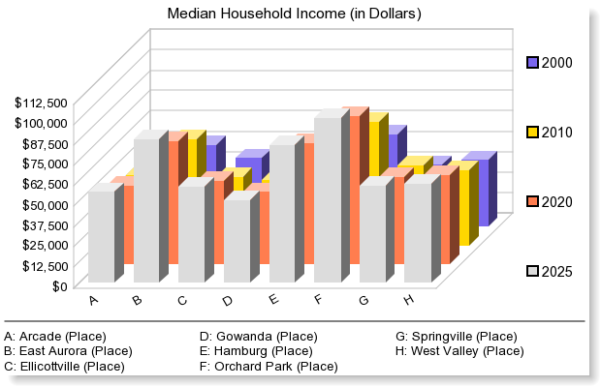

© 2017 Easy Analytic Software, Inc. (EASI®) All Rights Reserved, Alteryx, Inc. © 2020 Experian Information Solutions, Inc. • All rights reserved © 2020 Experian Marketing Solutions, Inc. • All rights reserved

