BasicDemographicCharts
Basic Demographic Comparison Charts
Date: December 28, 2020

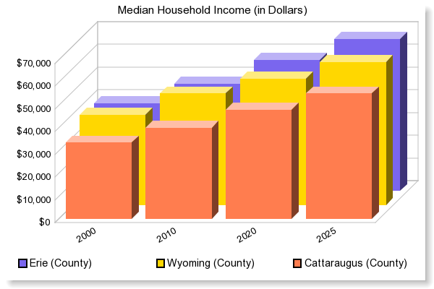

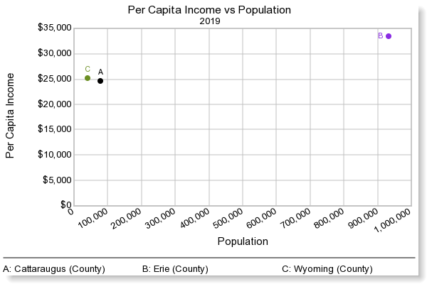

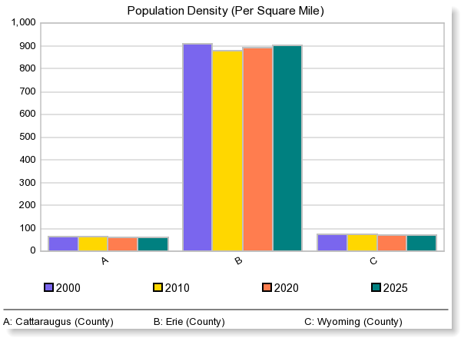

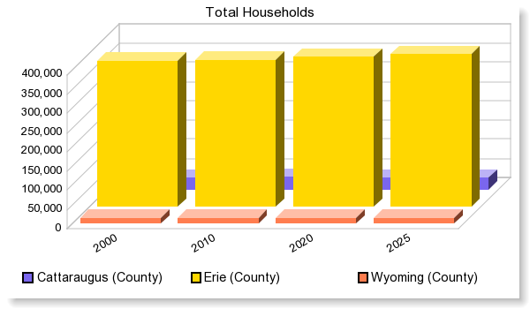

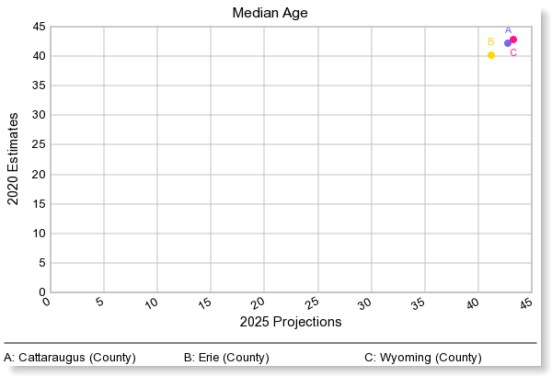

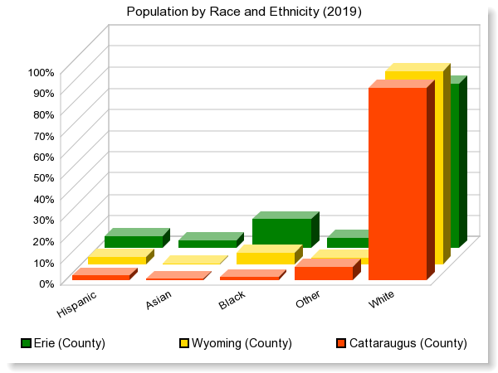

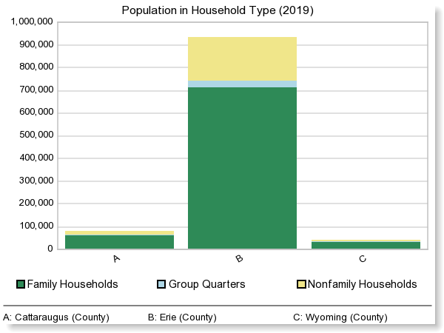

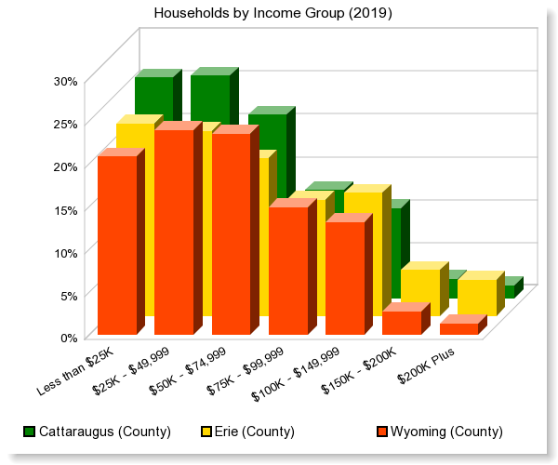

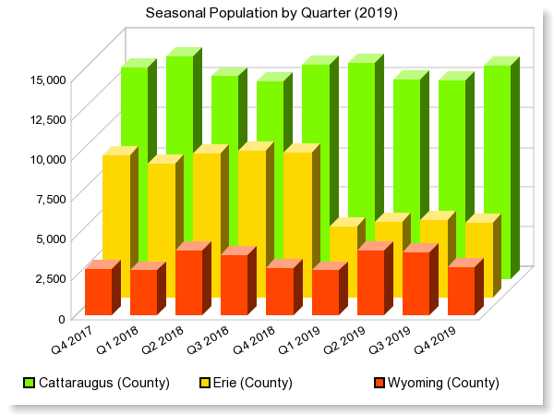

© 2017 Easy Analytic Software, Inc. (EASI®) All Rights Reserved, Alteryx, Inc. © 2020 Alteryx, Inc. All Rights Reserved © 2020 Experian Information Solutions, Inc. • All rights reserved © 2020 Experian Marketing Solutions, Inc. • All rights reserved

DemographicSnapshotCharts
Demographic Snapshot Charts Comparison Report
Date: December 28, 2020
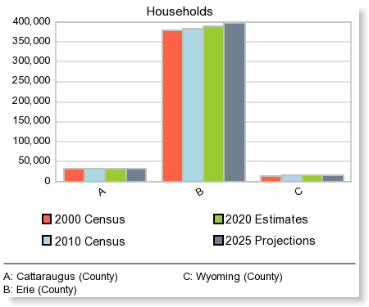
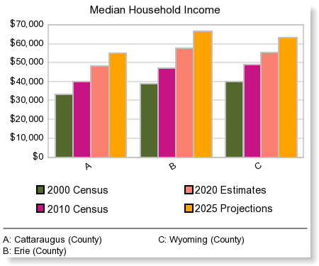
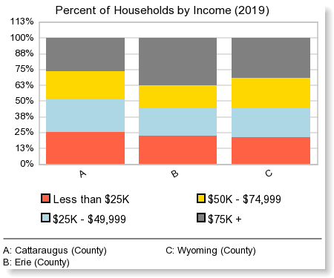
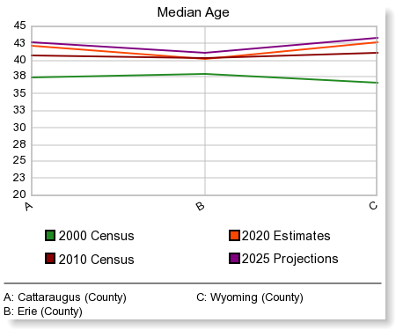
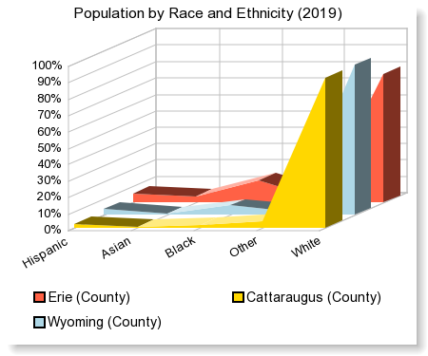
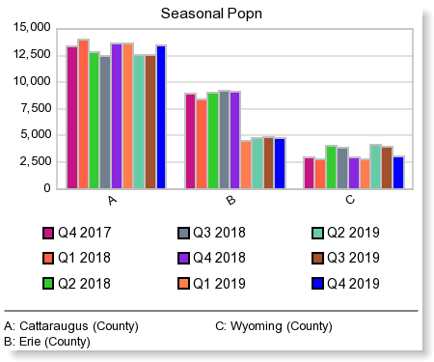
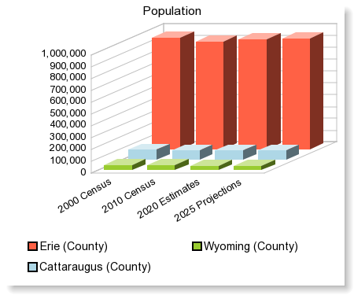

© 2017 Easy Analytic Software, Inc. (EASI®) All Rights Reserved, Alteryx, Inc. © 2020 Experian Information Solutions, Inc. • All rights reserved © 2020 Experian Marketing Solutions, Inc. • All rights reserved

IncomeComparisonReport
Income Comparison Report
Date: December 28, 2020

 | Cattaraugus (County) | Erie (County) | Wyoming (County)

Total Households | 31,678 | 390,967 | 15,266

2020 Household Income:
$ 0 - $9,999 | 6.9% | 7.3% | 5.0%
$ 10,000 - $19,999 | 12.5% | 10.1% | 11.1%
$ 20,000 - $29,999 | 12.0% | 9.8% | 9.3%
$ 30,000 - $39,999 | 10.7% | 9.0% | 9.6%
$ 40,000 - $49,999 | 9.7% | 7.9% | 9.6%
$ 50,000 - $59,999 | 9.5% | 7.8% | 9.8%
$ 60,000 - $74,999 | 11.9% | 10.7% | 13.6%
$ 75,000 - $99,999 | 12.6% | 13.5% | 14.8%
$100,000 - $124,999 | 7.1% | 9.0% | 9.3%
$125,000 - $149,999 | 3.5% | 5.4% | 3.9%
$150,000 + | 3.7% | 9.6% | 3.9%

Average Household Income | $59,702 | $78,797 | $64,900
Median Household Income | $48,084 | $57,602 | $55,470
Per Capita Income | $24,614 | $33,388 | $25,090

Poverty: Status of Families by Family Type/Presence of Children 18 Yrs and Under
Total Families (Family Households) | 19,850 | 233,431 | 10,323
Husband-Wife Family, Own Children, Below Poverty | 506 | 4,677 | 138
Husband-Wife Family, No Own Children, Below Poverty | 277 | 2,787 | 133
Male Householder, Own Children, Below Poverty | 325 | 1,579 | 102
Male Householder, No Own Children, Below Poverty | 71 | 700 | 15
Female Householder, Own Children, Below Poverty | 709 | 11,238 | 320
Female Householder, No Own Children, Below Poverty | 182 | 2,235 | 39
Husband-Wife Family, Own Children, At/Above Poverty | 4,358 | 54,961 | 2,409
Husband-Wife Family, No Own Children, At/Above Poverty | 9,330 | 101,983 | 5,365
Male Householder, Own Children, At/Above Poverty | 695 | 5,847 | 336
Male Householder, No Own Children, At/Above Poverty | 626 | 8,731 | 316
Female Householder, Own Children, At/Above Poverty | 1,305 | 17,047 | 578
Female Householder, No Own Children, At/Above Poverty | 1,466 | 21,646 | 572

Poverty: Popn, Ratio of Income to Poverty Level
Total Population for whom poverty status is determined | 78,194 | 933,352 | 41,245 | 1,052,791
Less Than .50 | 5,187 | 63,925 | 1,812
.50 - .99 | 7,641 | 70,399 | 2,589
 | 12,828 | 134,324 | 4,401 | 151,553 | 0.1439535482

1.00 - 1.24 | 4,758 | 37,398 | 1,926
1.25 - 1.49 | 4,477 | 37,482 | 2,086
1.50 - 1.84 | 6,033 | 53,907 | 2,887
1.85 - 1.99 | 2,349 | 20,832 | 1,189
2.00+ | 47,749 | 649,409 | 28,756

Poverty: Popn by Race
By Race
White, Below Poverty Level | 11,025 | 66,955 | 4,072
White, Above Poverty Level | 60,351 | 660,521 | 33,541
Black, Below Poverty Level | 361 | 43,795 | 31
Black, Above Poverty Level | 821 | 83,084 | 2,173
AI/Alaskan Native, Below Poverty Level | 630 | 1,687 | 20
AI/Alaskan Native, Above Poverty Level | 2,096 | 4,643 | 130
Asian, Below Poverty Level | 66 | 8,598 | 40
Asian, Above Poverty Level | 581 | 25,472 | 186
NH/PI, Below Poverty Level | 0 | 65 | 2
NH/PI, Above Poverty Level | 29 | 243 | 8
Some Other Race, Below Poverty Level | 159 | 7,427 | 88
Some Other Race, Above Poverty Level | 223 | 9,461 | 453
2+ Races, Below Poverty Level | 587 | 5,797 | 148
2+ Races, Above Poverty Level | 1,265 | 15,604 | 353

Poverty: Popn by Ethnicity
Hispanic/Latino
Hispanic/Latino, Below Poverty Level | 635 | 19,433 | 243
Hispanic/Latino, Above Poverty Level | 1,077 | 33,753 | 1,124
Non-Hispanic/Latino, Below Poverty Level | 12,193 | 114,891 | 4,158
Non-Hispanic/Latino, Above Poverty Level | 64,289 | 765,275 | 35,720
Non-Hispanic/Latino by Race
White, Below Poverty Level | 10,730 | 59,201 | 3,989
White, Above Poverty Level | 59,767 | 641,922 | 33,027
Other than White, Below Poverty Level | 2,098 | 75,123 | 412
Other than White, Above Poverty Level | 5,599 | 157,106 | 3,817

 | Cattaraugus (County) | Erie (County) | Wyoming (County)

2025 Household Income:

Total Households | 31,974 | 398,860 | 15,622 | 446,456

2025 Household Income:
$ 0 - $9,999 | 5.2% | 5.5% | 3.9%
$ 10,000 - $19,999 | 11.2% | 9.3% | 9.8%
$ 20,000 - $29,999 | 10.8% | 8.7% | 8.3%
$ 30,000 - $39,999 | 9.6% | 8.1% | 8.6%
$ 40,000 - $49,999 | 8.7% | 7.1% | 8.6%
$ 50,000 - $59,999 | 8.7% | 6.5% | 8.1%
$ 60,000 - $74,999 | 13.2% | 10.3% | 14.1%
$ 75,000 - $99,999 | 14.3% | 14.8% | 16.8%
$100,000 - $124,999 | 8.9% | 11.0% | 11.4%
$125,000 - $149,999 | 4.5% | 6.7% | 5.3%
$150,000 + | 4.9% | 11.9% | 5.3%
 | 18.35% | 29.61% | 21.93%
 | 5,866 | 118,092 | 3,425 | 127,384 | 0.2853219559

Average Household Income | $67,454 | $89,411 | $72,925
Median Household Income | $55,218 | $66,858 | $63,022
Per Capita Income | $27,977 | $38,174 | $28,360

 | Cattaraugus (County) | Erie (County) | Wyoming (County)

2010 Census Household Income:

Total Households | 32,263 | 383,164 | 15,501

2010 Census Household Income:
$ 0 - $9,999 | 8.7% | 9.1% | 5.8%
$ 10,000 - $19,999 | 14.2% | 11.9% | 11.5%
$ 20,000 - $29,999 | 14.2% | 11.6% | 11.2%
$ 30,000 - $39,999 | 12.9% | 10.7% | 11.9%
$ 40,000 - $49,999 | 11.7% | 9.0% | 10.5%
$ 50,000 - $59,999 | 8.9% | 8.2% | 11.1%
$ 60,000 - $74,999 | 11.4% | 10.9% | 14.4%
$ 75,000 - $99,999 | 9.6% | 12.2% | 12.3%
$100,000 - $124,999 | 4.5% | 7.2% | 6.4%
$125,000 - $149,999 | 1.9% | 3.7% | 2.6%
$150,000 + | 2.0% | 5.6% | 2.3%

Average Household Income | $50,091 | $64,920 | $57,736
Median Household Income | $39,971 | $47,205 | $49,005
Per Capita Income | $20,551 | $27,464 | $22,442

 | Cattaraugus (County) | Erie (County) | Wyoming (County)

2000 Census Household Income:

Total Households | 32,022 | 380,876 | 14,906

2000 Census Household Income:
$ 0 - $9,999 | 10.0% | 10.8% | 6.1%
$ 10,000 - $19,999 | 17.8% | 15.0% | 14.6%
$ 20,000 - $29,999 | 17.0% | 13.7% | 15.0%
$ 30,000 - $39,999 | 14.7% | 11.9% | 14.5%
$ 40,000 - $49,999 | 11.6% | 10.4% | 14.5%
$ 50,000 - $59,999 | 8.9% | 8.8% | 10.6%
$ 60,000 - $74,999 | 9.2% | 10.1% | 11.9%
$ 75,000 - $99,999 | 6.3% | 9.8% | 7.9%
$100,000 - $124,999 | 2.5% | 4.5% | 2.8%
$125,000 - $149,999 | 0.8% | 2.0% | 0.8%
$150,000 + | 1.2% | 2.9% | 1.3%

Average Household Income | $41,103 | $49,995 | $46,149
Median Household Income | $33,479 | $38,671 | $39,897
Per Capita Income | $15,678 | $20,038 | $15,843

 | Cattaraugus (County) | Erie (County) | Wyoming (County)

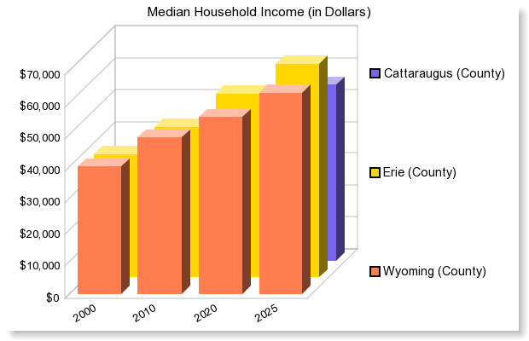

© 2017 Easy Analytic Software, Inc. (EASI®) All Rights Reserved, Alteryx, Inc. © 2020 Experian Information Solutions, Inc. • All rights reserved © 2020 Experian Marketing Solutions, Inc. • All rights reserved

